Simplest
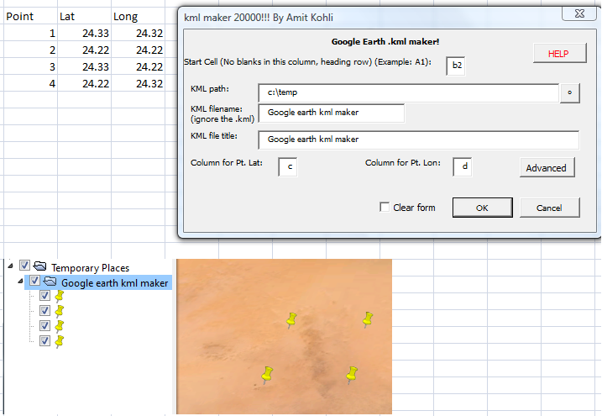
 | Point | Lat | Long
 | 1 | 24.33 | 24.32
 | 2 | 24.22 | 24.22
 | 3 | 24.33 | 24.22
 | 4 | 24.22 | 24.32

The settings above give the result below…… but try for yourself by playing with the data above and pushing the button "Show form"

v.1
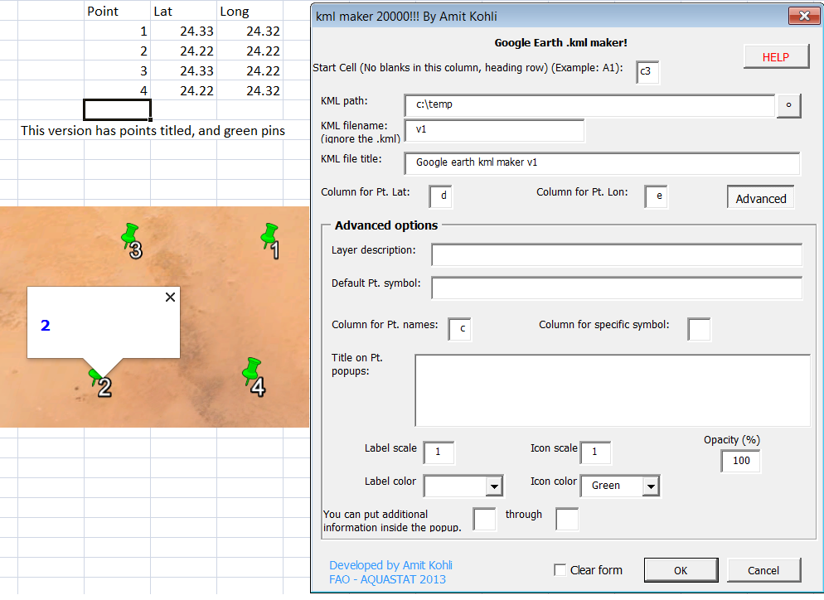
 | Point | Lat | Long
 | 1 | 24.33 | 24.32
 | 2 | 24.22 | 24.22
 | 3 | 24.33 | 24.22
 | 4 | 24.22 | 24.32

The settings above give the result below…… but try for yourself by playing with the data above and pushing the button "Show form"

v.2
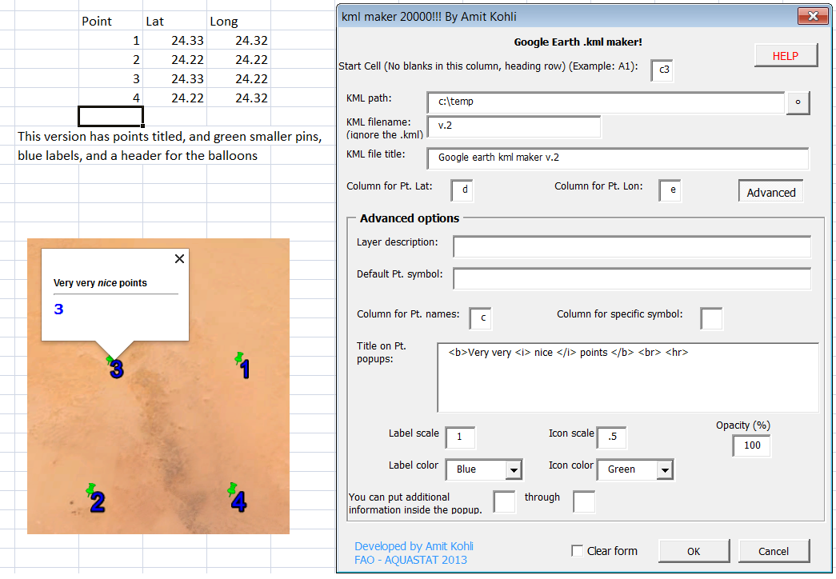
 | Point | Lat | Long
 | 1 | 24.33 | 24.32
 | 2 | 24.22 | 24.22
 | 3 | 24.33 | 24.22
 | 4 | 24.22 | 24.32

The settings above give the result below…… but try for yourself by playing with the data above and pushing the button "Show form"

v.3
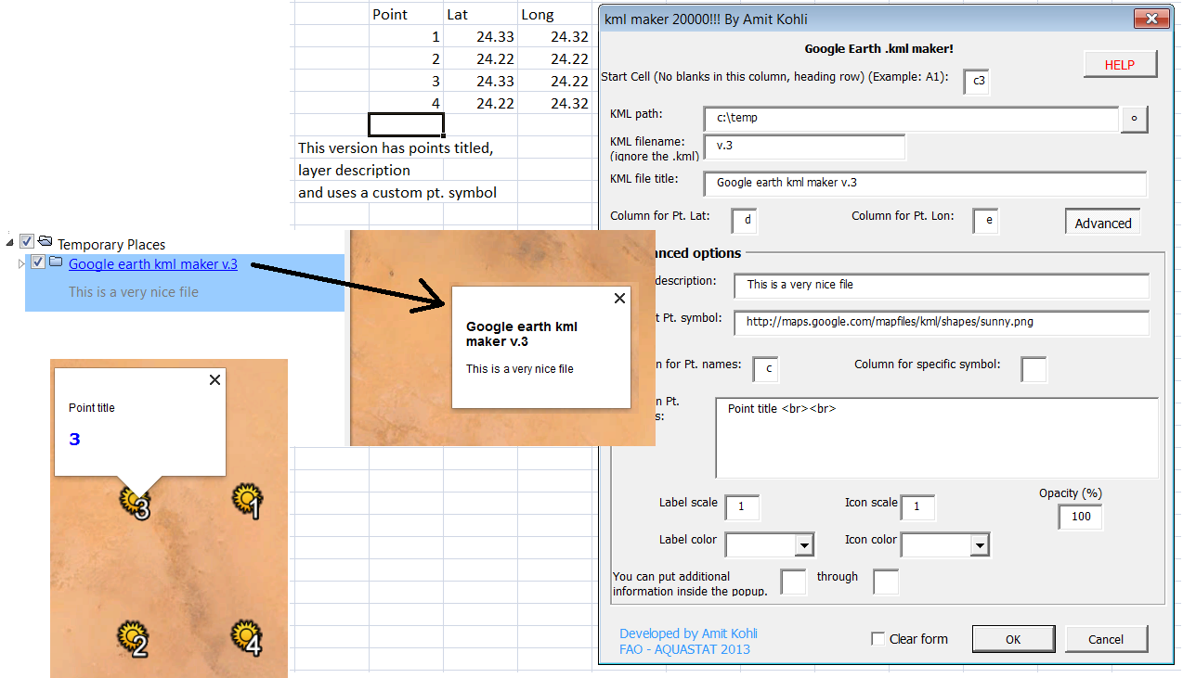
 | Point | Lat | Long
 | 1 | 24.33 | 24.32
 | 2 | 24.22 | 24.22
 | 3 | 24.33 | 24.22
 | 4 | 24.22 | 24.32

The settings above give the result below…… but try for yourself by playing with the data above and pushing the button "Show form"

compex
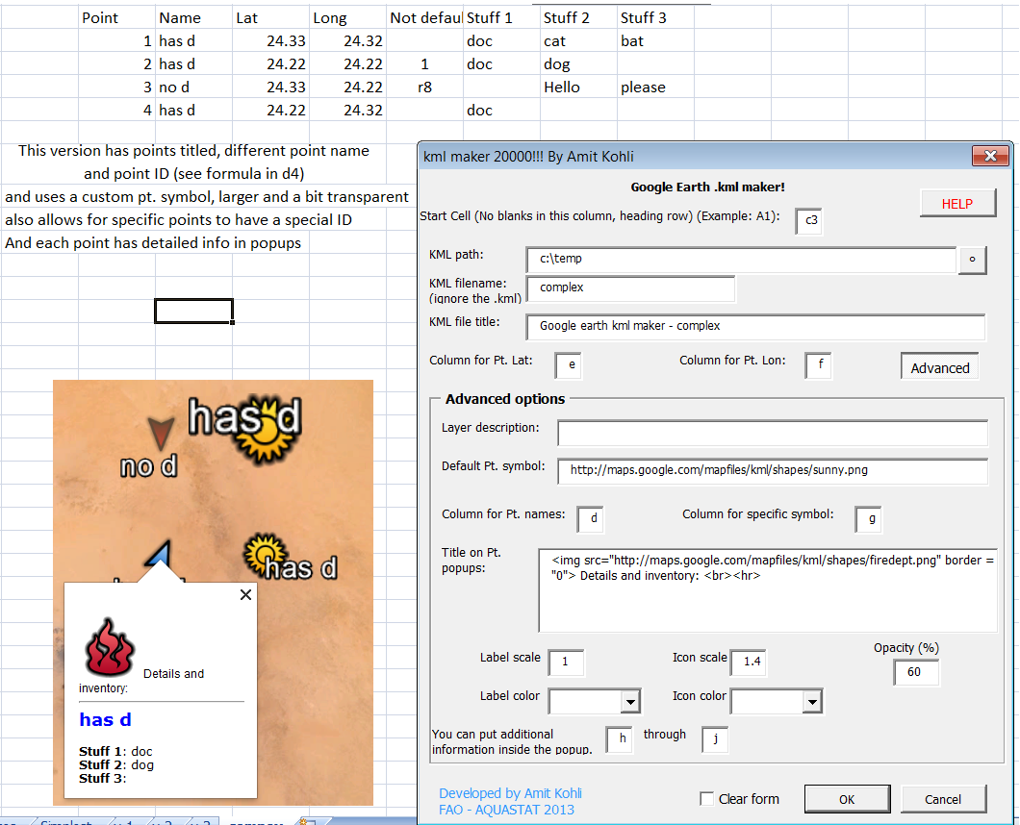
 | Point | Name | Lat | Long | Not default | Stuff 1 | Stuff 2 | Stuff 3
 | 1 | has d | 24.33 | 24.32 |  | doc | cat | bat
 | 2 | has d | 24.22 | 24.22 | 1 | doc | dog
 | 3 | no d | 24.33 | 24.22 | r8 |  | Hello | please
 | 4 | has d | 24.22 | 24.32 |  | doc

The settings above give the result below…… but try for yourself by playing with the data above and pushing the button "Show form"
For information on the directions of the specific icons, look on Notes tab.

